Sheet1
Obligation of Federal Funds for Roadway
Projects by Improvement Type 1/
Year 2017 = $ | $20,317
Restoration & Rehab. | 19.94473276%
Relocation | 0.12292437%
New Route | 7.52998158%
Resurfacing | 25.29107663%
Reconstruction | 47.11769814%

2017

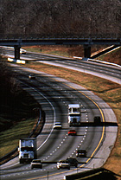

1/ Data source is the Fiscal Management Information System (FMIS) of the Federal Highway Administration. Major
widening is now included in Reconstruction-added capacity. Minor widening is now included in Reconstruction-
no added capacity. Reconstruction in these piecharts includes both major widening or minor widening.

