Cover page
 | Traffic Volume Trends

 |  | 2002-2020
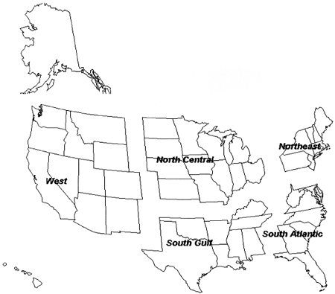

 |  |  | Monthly "Traffic Volume Trends" Archive

This monthly "Traffic Volume Trends" archive contains VMT and growth rate for 2002 through
presently available data for 2020.

NOTE:

* There are some minor differences when comparing TVT Archive totals to Table VM-2.
These are due to rounding.

