FA-Pie4
Obligation of Federal Funds for Roadway
Projects by Improvement Type (1)

Year 2021 = | $10,163
Restoration & Rehab. | 19%
Relocation | 3%
New Route | 15%
Resurfacing | 16%
Reconstruction | 48%

2021

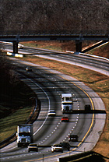

(1) Data source is the Fiscal Management Information System (FMIS) of the Federal Highway Administration. Major
widening is now included in Reconstruction-Added Capacity. Minor Widening is now included in Reconstruction-
No Added Capacity. Reconstruction in these piecharts includes both Major Widening or Minor Widening.

