FA-Pie4
Obligation of Federal Funds for Roadway
Projects by Improvement Type (1)

Year 2022 = | $20,216
Restoration & Rehab. | 21%
Relocation | 0%
New Route | 6%
Resurfacing | 23%
Reconstruction | 50%

2022

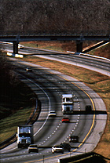

(1) Data source is the Fiscal Management Information System (FMIS) of the Federal Highway Administration. Major
widening is now included in Reconstruction-Added Capacity. Minor Widening is now included in Reconstruction-
No Added Capacity. Reconstruction in these piecharts includes both Major Widening or Minor Widening.

